Data Reps
Do you think earning money while viewing ads is a good way to entice customers?
Yes | 5
No | 0

100%

Observation: Its good to know that our users are validating our concept!

Is viewing statistics of users' behaviour useful for your business?
SA | 3
A | 2
N | 0
D | 0
SD | 0
60%
40%

How easy do you think it is to use the View Statistics page?
SA | 0
A | 3
N | 2
D | 0
SD | 0

60%
40%

Observation: | Our advertisers think that statistics are really important, but what the app is providing isnt enough for them!

PRE TEST
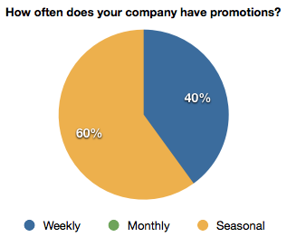

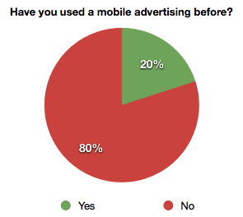

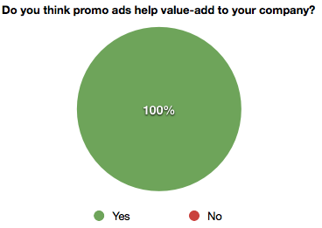

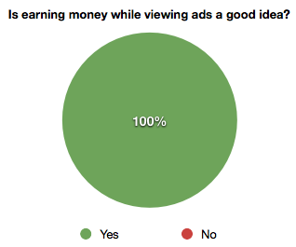

TASK INSTRUCTIONS

POST TEST

