Feedbacks (1)
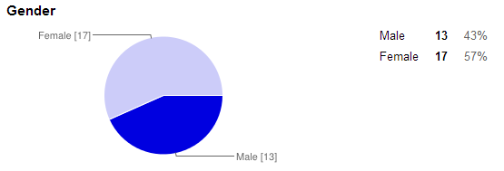
Feedbacks - User Info

Feedbacks (2)
Feedbacks - Quantitative
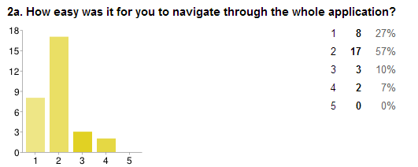
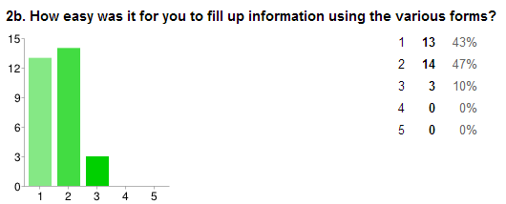

Very Easy
Very Easy
Very Difficult
Very Difficult

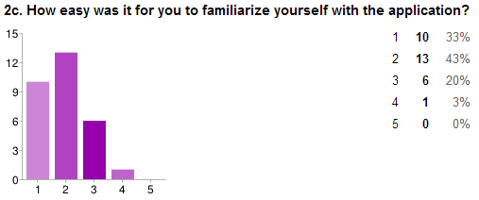
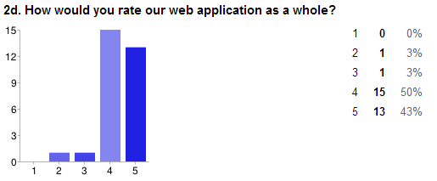

Very Easy
Very Difficult
Bad
Good

Bad
Good

